TF 45W
6 |  |  | 5 |  |  | 4 |  |  | 3 |  | 2 |  |  |  | 1
D |  |  |  |  |  |  |  |  |  |  |  |  |  |  |  |  |  | D

 |  | TRANSFORMER DESIGN |  |  |  |  |  |  |  |  |  |  | DOC:LM/2223/102/ID
 |  | Product Name: |  | 24V, 2A |  |  |  |  |  |  |  |  | Date:12-07-2023
 |  | Specification: |  | Pin max: 48W±10% input range:- 90V-300V AC Max Vout:- 24V DC±5% PE≥0.95 Iout:-2 DC±5% THD≤10% Efficiency>85% High Voltage:- 440V AC Surge:- 4KV
C
 |  | Description: |  | Flyback Transformer |  |  |  |  |  |  |  |  |  |  |  |  |  | C

 |  | S.NO. |  | MATERIAL |  |  |  |  |  | TYPE
 |  | 1 |  | FERRITE CORE |  |  |  |  |  | EQ-25×15
 |  | 2 |  | BOBBIN |  |  |  |  |  | EQ-25×15,V,5+5-PIN
 |  | 3 |  | BOBBIN MATERIAL |  |  |  |  |  | PHENOLIC

 |  | WINDING NO. |  | START PIN | END PIN |  | DUMMY PIN | WIRE DIA.(SWG) |  | TURNS |  |  | INDUCTANCE | TOLERANCE
B |  | W1 |  | 3 | 2 |  | - | 27 SWG X 1 |  | 21T |  |  | 390uH@ 1KHz | ±8% |  |  |  | B
 |  | W2 |  | 9,10 | 6,7 |  | - | 27 SWG X 5 |  | 10T
 |  | W3 |  | 2 | 1 |  | - | 27 SWG X 1 |  | 20T
 |  | W4 |  | 4 | 5 |  | - | 30 SWG X 1 |  | 7T
 | TRANSFORMER ELECTRICAL DESIGN
 | 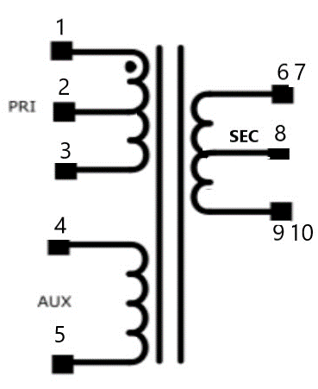 |  |  |  |  |  |  |  |  |  |  | NASH Industries (I) Pvt Ltd : 115/3 6th main Yeswanthpur Suburb 2nd Stage, Opp to Peenya Metro station, Peenya, Bengaluru,Karnataka 560022.
A
 |  |  |  |  |  |  |  |  |  |  |  |  |  |  |  |  |  | A
 |  |  |  |  |  |  |  |  |  |  |  | DESCRIPTION EQ-25×15
 |  |  |  |  |  |  |  |  |  |  |  | PART NUMBER |  |  |  | REV 00 | SHEET A4
 |  |  |  |  |  |  |  |  |  |  |  | SCALE: 2:1 |  | SHEET 2 OF 2
6 |  |  | 5 |  |  | 4 |  |  | 3 |  | 2 |  |  |  | 1

